Progress Dashboard
Green Office Program - Progress Dashboard
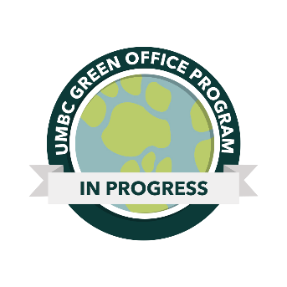
Certification Levels | Points Required
Bronze | 15-29
Silver | 30-44
Gold | 45-59
Green | 60+

Category | Points Possible | Points Achieved
Energy/Climate | 11 | 0
Waste | 26 | 0
Transportation | 12 | 0
Purchasing | 11 | 0
Education/Outreach | 24+ | 0
Innovation | 10+ | 0
TOTAL | 91+ | 0

